data
FILL RED CELLS

 | 1) DATA

R1 (mm) | θ1 (rad) | R2sup (mm) | R2inf (mm) | θ2 (rad) | R3 (mm) | θ3 (rad) | f (rad) | tnom (mm) | t (mm) | Pitch (mm) | hw (mm) | ha (mm) | hsa (mm) | ds (mm) | fyb (N/mm²) | E (N/mm²) | γM0 | a (mm) | d (mm) | sper (mm)

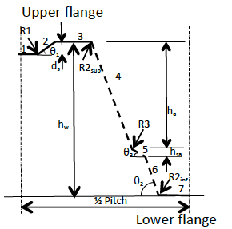
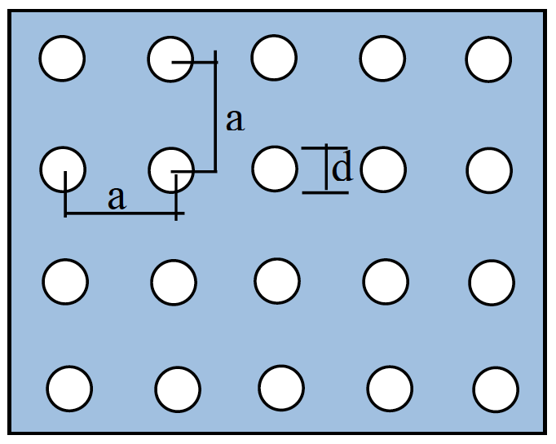
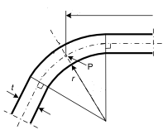
 | Element | bpi (mm) |  |  |  |  |  |  |  |  |  |  |  |  |  |  | (sper is the slant height of the perforated portion of the web)
 | 1
 | 2
 | 3
 | 4
 | 5
 | 6
 | 7

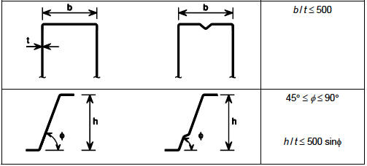
 | 2) Checking of geometrical proportions

 |  | b=
 |  | b/t= | #DIV/0!
 |  | θ2= | 0.00
 |  | h/t= | #DIV/0!
 |  | 500sin(θ2)= | 0.00
 | r < | 0,04 t E / fy | #DIV/0!

 | 3) RESULTS

 | Mspan= | #DIV/0! | kNm/m |  | Rendsupport= | #DIV/0! | kN/m

