data
FILL RED CELLS

 | 1) DATA

 | R1 (mm) | R2sup (mm) | R2inf (mm) | R3 (mm) | t (mm) | tnom (mm) | Pitch (mm) | hw (mm) | fyb (N/mm²) | E (N/mm²) | b0 (mm) | d (mm) | θ1 | θ2 | θ3
 |  |  |  |  |  |  |  |  |  |  |  |  | #DIV/0! | #DIV/0! | #DIV/0!
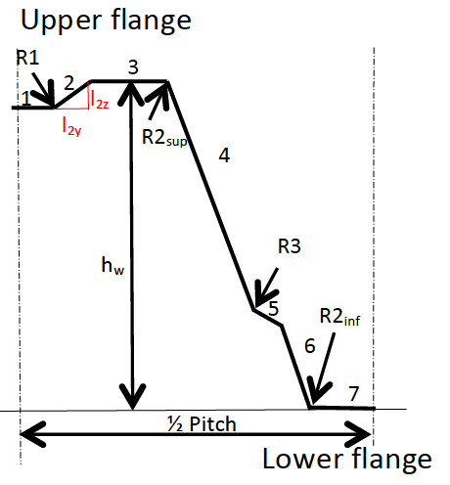
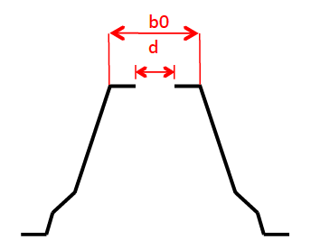
 | Element | li (mm) | liz (mm) | liy (mm)
 | 1 | 0.00
 | 2 | 0.00
 | 3 | 0.00
 | 4 | 0.00
 | 5 | 0.00
 | 6 | 0.00
 | 7 | 0.00

 | Number of upper flanges without a hole

 | 2) Checking of geometrical proportions

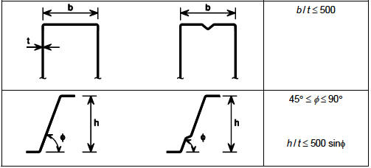
 |  | b/t= | #DIV/0!
 |  | θ2= | #DIV/0!
 |  | h/t= | #DIV/0!
 |  | 500sin(θ2)= | #DIV/0!
 | r < | 0,04 t E / fy | #DIV/0!

 | 3) RESULT

 | Mspan= | #DIV/0! | kNm/m

