data
FILL RED CELLS
 | 1) Determination of embossment ratio ρ

 | Choose tnom = 0.75 mm or tnom = 1mm |  |  |  |  | Height of the embossment he < 4 mm
 | -0.51961666841 | 1 |  |  | -0.47973282143 | 1
 | -0.140186319 | 0.430854476 | if t = 0,75 mm |  | -0.19911550665 | 0.57907402783 | if t =1 mm
 | -0.081671281525 | 0.28456688238 | He < 4 mm | r | -0.19438973346 | 0.56962248146 | He < 4 mm | r
 | -0.027076567667 | 0.13443141927 |  |  | -0.065659882155 | 0.24779785319
 | -0.023724884784 | 0.12437637062

 | 2) DATA

R1 (mm) | θ1 (rad) | R2sup (mm) | R2inf (mm) | θ2 (rad) | tnom (mm) | t (mm) | Pitch (mm) | hw (mm) | ds (mm) | lrs (mm) | di (mm) | fyb (N/mm²) | E (N/mm²) | γM0 | ratio ρ | hSembossment (mm) | hIembossment (mm) | zSembossment (mm) | zIembossment (mm) | θ3
 |  |  |  |  |  |  |  |  |  |  |  |  |  |  |  |  |  |  |  | 0.7853981634

 | The length of the elements are measured from the midpoints of the adjacent corner elements

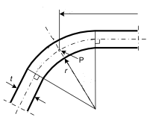
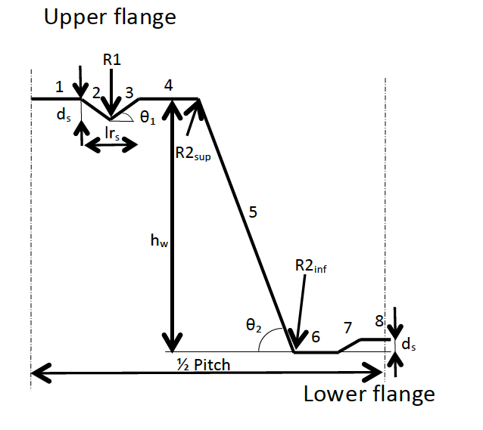
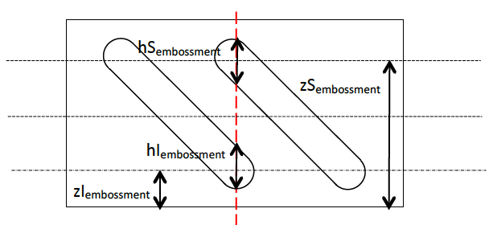
 | Element | bpi (mm)
 | 1
 | 2
 | 3
 | 4
 | 5
 | 6
 | 7
 | 8

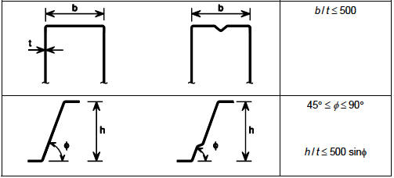
 | 3) Checking of geometrical proportions

 |  | b=
 |  | b/t= | #DIV/0!
 |  | θ2= | 0.00
 |  | h/t= | #DIV/0!
 |  | 500sin(θ2)= | 0.00
 | r < | 0,04 t E / fy | #DIV/0!

 | 5) RESULTS

 | Mspan= | #DIV/0! | kNm/m |  | Rendsupport= | #DIV/0! | kN/m

