data
FILL RED CELLS

 | 1) DETERMINATION OF SUPERIOR AND INFERIOR EMBOSSMENTS RATIO ρ => choose case a) or case b)
 | a) if superior and inferior embossments are longitudinal |  |  |  |  |  |  |  |  |  | b) if superior and inferior embossments are conical
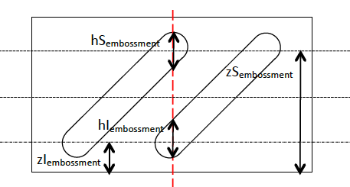
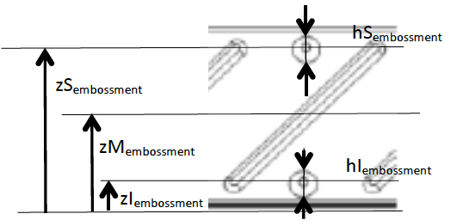

 | Choose tnom = 0.75 mm or tnom = 1mm |  |  |  |  | Height of the embossment He < 4 mm |  |  |  |  | Choose tnom = 0.75 mm or tnom = 1mm |  |  |  |  | Height of the embossment He < 4 mm
 | -0.51961666841 | 1 |  |  | -0.47973282143 | 1 |  |  |  | -0.51961666841 | 1 |  |  | -0.47973282143 | 1
 | -0.140186319 | 0.430854476 | if t = 0,75 mm |  | -0.19911550665 | 0.57907402783 | if t =1 mm |  |  |  | -0.140186319 | 0.430854476 | if t = 0,75 mm |  | -0.19911550665 | 0.57907402783 | if t =1 mm
 | -0.081671281525 | 0.28456688238 | He < 4 mm | r | -0.19438973346 | 0.56962248146 | He < 4 mm | r |  |  | -0.081671281525 | 0.28456688238 | He < 4 mm | r | -0.19438973346 | 0.56962248146 | He < 4 mm | r
 | -0.027076567667 | 0.13443141927 |  |  | -0.065659882155 | 0.24779785319 |  |  |  |  | -0.027076567667 | 0.13443141927 |  |  | -0.065659882155 | 0.24779785319
 | -0.023724884784 | 0.12437637062 |  |  | -0.020324046495 | 0.12312430513 |  |  |  | -0.023724884784 | 0.12437637062 |  |  | -0.020324046495 | 0.12312430513
 | 2) DETERMINATION OF MIDDLE EMBOSSMENT RATIO ρ
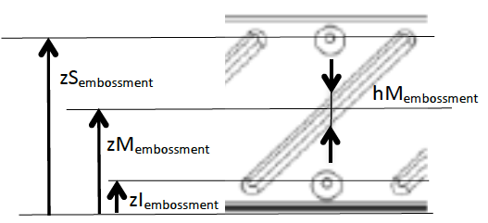

 | Choose tnom = 0.75 mm or tnom = 1mm |  |  |  |  | Height of the embossment He < 4 mm
 | -0.51961666841 | 1 |  |  | -0.47973282143 | 1
 | -0.140186319 | 0.430854476 | if t = 0,75 mm |  | -0.19911550665 | 0.57907402783 | if t =1 mm
 | -0.081671281525 | 0.28456688238 | He < 4 mm | r | -0.19438973346 | 0.56962248146 | He < 4 mm | r
 | -0.027076567667 | 0.13443141927 |  |  | -0.065659882155 | 0.24779785319

 | 3) DATA

 | R1 (mm) | R2sup (mm) | R2inf (mm) | R3 (mm) | t (mm) | tnom (mm) | Pitch (mm) | hw (mm) | fyb (N/mm²) | E (N/mm²) | ρ Sembossment | ρ Membossment | hSembossment (mm) | hMembossment (mm) | zSembossment (mm) | zMembossment (mm) | zIembossment (mm) | θ1 | θ2 | θ3
 |  |  |  |  |  |  |  |  |  |  |  |  |  |  |  |  |  | #DIV/0! | #DIV/0! | #DIV/0!
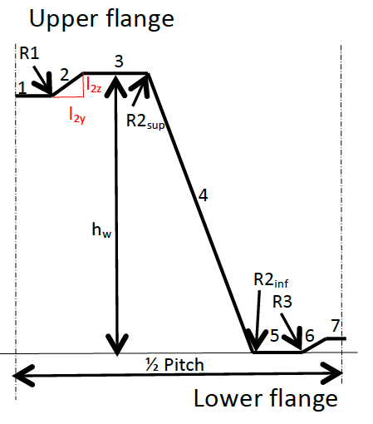
 | Element | li (mm) | liz (mm) | liy (mm)
 | 1 | 0.00
 | 2 | 0.00
 | 3 | 0.00
 | 4 | 0.00
 | 5 | 0.00
 | 6 | 0.00
 | 7 | 0.00

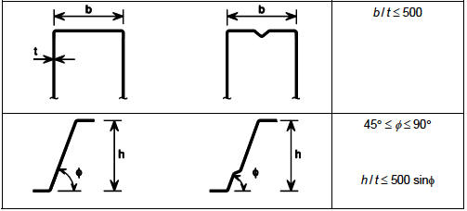
 | 4) Checking of geometrical proportions

 |  | b/t= | #DIV/0!
 |  | θ2= | #DIV/0!
 |  | h/t= | #DIV/0!
 |  | 500sin(θ2)= | #DIV/0!
 | r < | 0,04 t E / fy | #DIV/0!

 | 5) RESULTS

 | Mspan= | #DIV/0! | kNm/m |  | Rendsupport= | #DIV/0! | kN/m

